S3
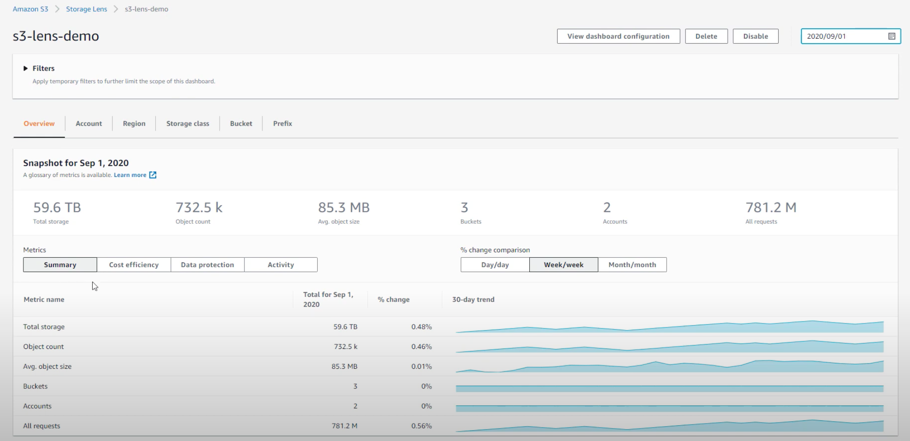
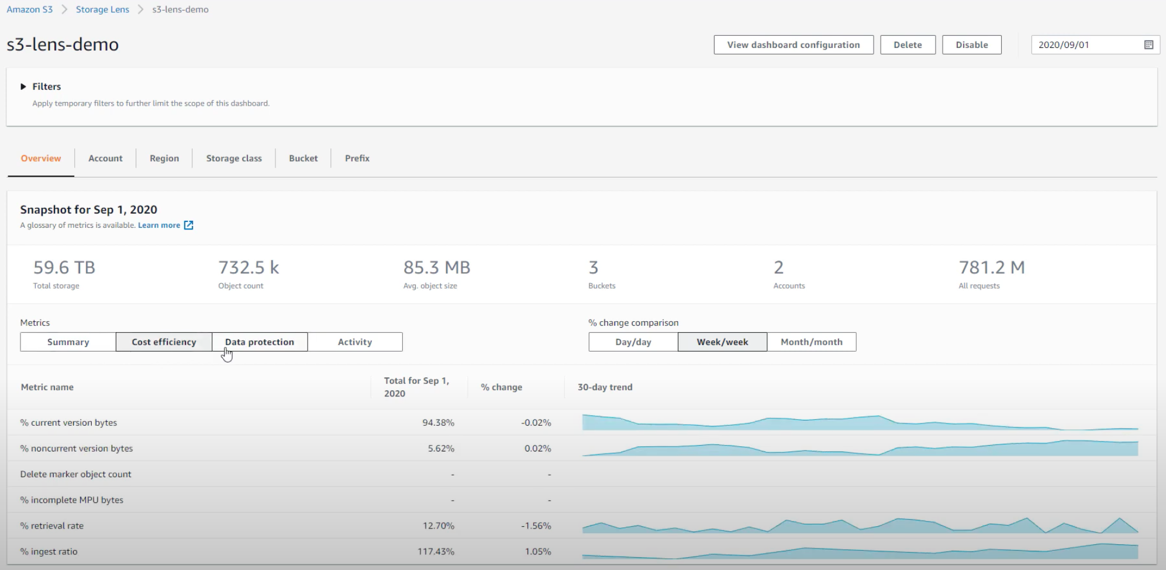
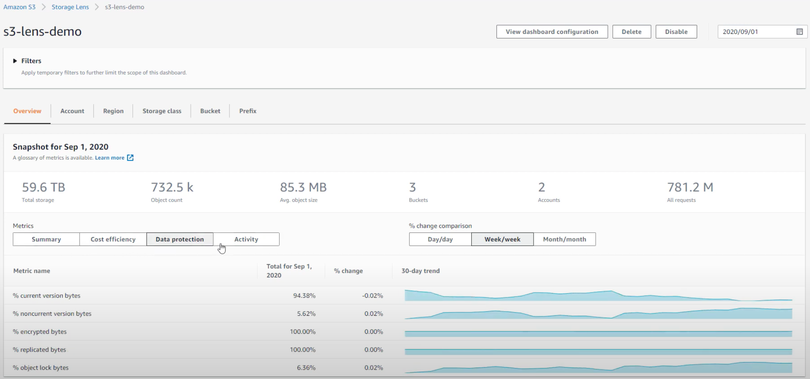
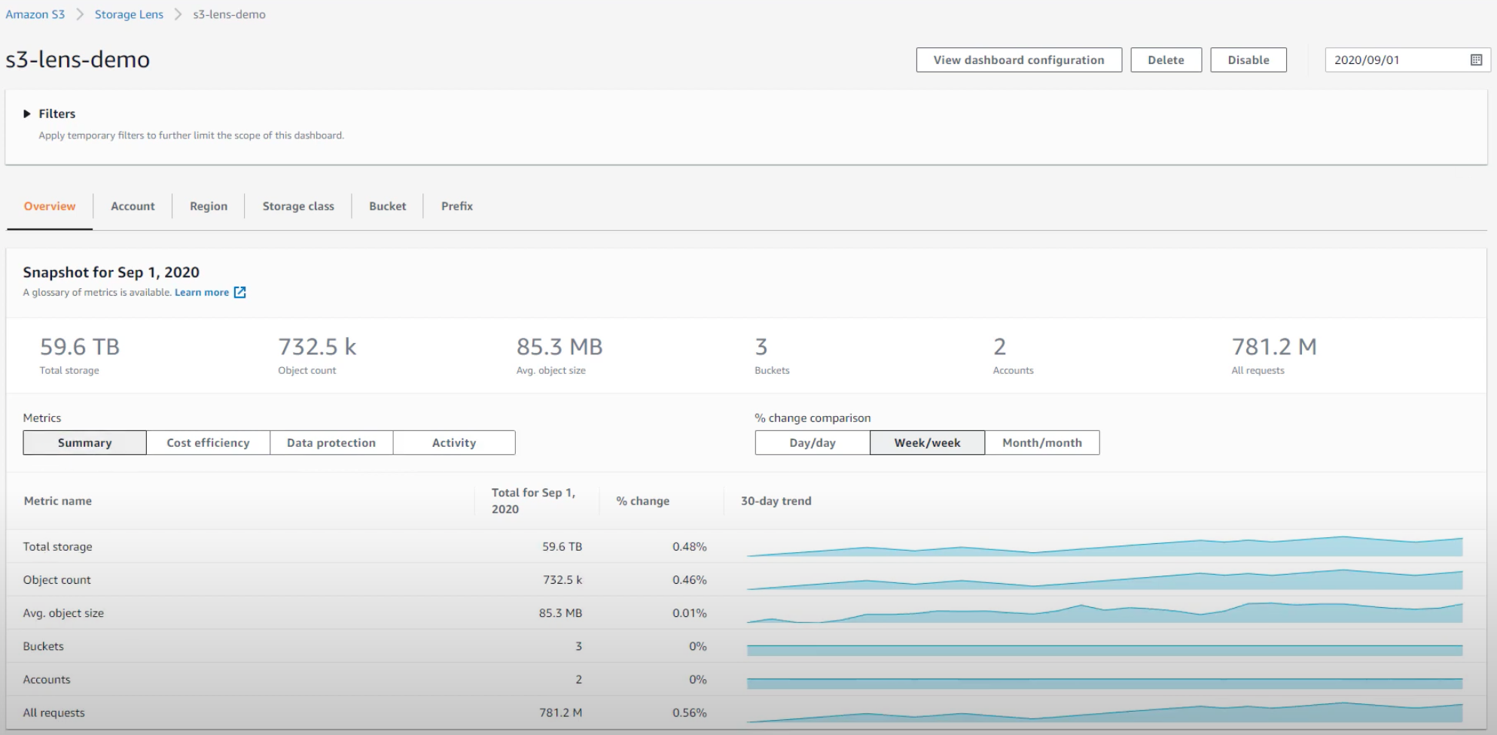

Amazon S3 daily storage metrics for buckets in CloudWatch

Metric | Description
BucketSizeBytes | The amount of data in bytes stored in a bucket in the STANDARD storage class, INTELLIGENT_TIERING storage class, Standard-Infrequent Access (STANDARD_IA) storage class, OneZone-Infrequent Access (ONEZONE_IA), Reduced Redundancy Storage (RRS) class, Deep Archive Storage (S3 Glacier Deep Archive) class or, S3 Glacier Flexible Retrieval (GLACIER) storage class. This value is calculated by summing the size of all objects and metadata in the bucket (both current and noncurrent objects), including the size of all parts for all incomplete multipart uploads to the bucket.
 | Valid storage type filters: StandardStorage, IntelligentTieringFAStorage, IntelligentTieringIAStorage, IntelligentTieringAAStorage, IntelligentTieringDAAStorage, StandardIAStorage, StandardIASizeOverhead, StandardIAObjectOverhead, OneZoneIAStorage, OneZoneIASizeOverhead, ReducedRedundancyStorage, GlacierStorage, GlacierStagingStorage, GlacierObjectOverhead, GlacierS3ObjectOverhead, DeepArchiveStorage, DeepArchiveObjectOverhead, DeepArchiveS3ObjectOverhead and, DeepArchiveStagingStorage (see the StorageType dimension)

 | Units: Bytes

 | Valid statistics: Average
NumberOfObjects | The total number of objects stored in a bucket for all storage classes. This value is calculated by counting all objects in the bucket (both current and noncurrent objects) and the total number of parts for all incomplete multipart uploads to the bucket.

 | Valid storage type filters: AllStorageTypes (see the StorageType dimension)

 | Units: Count

 | Valid statistics: Average

Amazon S3 request metrics in CloudWatch

Metric | Description
AllRequests | The total number of HTTP requests made to an Amazon S3 bucket, regardless of type. If you're using a metrics configuration with a filter, then this metric only returns the HTTP requests that meet the filter's requirements. Units: Count Valid statistics: Sum
GetRequests | The number of HTTP GET requests made for objects in an Amazon S3 bucket. This doesn't include list operations.
 | Units: Count
 | Valid statistics: Sum
 | Note
 | Paginated list-oriented requests, like List Multipart Uploads, List Parts, Get Bucket Object versions, and others, are not included in this metric.
PutRequests | The number of HTTP PUT requests made for objects in an Amazon S3 bucket.
 | Units: Count
 | Valid statistics: Sum
DeleteRequests | The number of HTTP DELETE requests made for objects in an Amazon S3 bucket. This also includes Delete Multiple Objects requests. This metric shows the number of requests, not the number of objects deleted.
 | Units: Count
 | Valid statistics: Sum
HeadRequests | The number of HTTP HEAD requests made to an Amazon S3 bucket.
 | Units: Count
 | Valid statistics: Sum
PostRequests | The number of HTTP POST requests made to an Amazon S3 bucket.

 | Units: Count

 | Valid statistics: Sum

 | Note
 | Delete Multiple Objects and SELECT Object Content requests are not included in this metric.
SelectRequests | The number of Amazon S3 SELECT Object Content requests made for objects in an Amazon S3 bucket.

 | Units: Count

 | Valid statistics: Sum
SelectBytesScanned | The number of bytes of data scanned with Amazon S3 SELECT Object Content requests in an Amazon S3 bucket.

 | Units: Bytes

 | Valid statistics: Average (bytes per request), Sum (bytes per period), Sample Count, Min, Max (same as p100), any percentile between p0.0 and p99.9
SelectBytesReturned | The number of bytes of data returned with Amazon S3 SELECT Object Content requests in an Amazon S3 bucket.

 | Units: Bytes

 | Valid statistics: Average (bytes per request), Sum (bytes per period), Sample Count, Min, Max (same as p100), any percentile between p0.0 and p99.9
ListRequests | The number of HTTP requests that list the contents of a bucket.

 | Units: Count

 | Valid statistics: Sum
BytesDownloaded | The number of bytes downloaded for requests made to an Amazon S3 bucket, where the response includes a body.

 | Units: Bytes

 | Valid statistics: Average (bytes per request), Sum (bytes per period), Sample Count, Min, Max (same as p100), any percentile between p0.0 and p99.9
BytesUploaded | The number of bytes uploaded that contain a request body, made to an Amazon S3 bucket.

 | Units: Bytes

 | Valid statistics: Average (bytes per request), Sum (bytes per period), Sample Count, Min, Max (same as p100), any percentile between p0.0 and p99.9
4xxErrors | The number of HTTP 4xx client error status code requests made to an Amazon S3 bucket with a value of either 0 or 1. The average statistic shows the error rate, and the sum statistic shows the count of that type of error, during each period.

 | Units: Count

 | Valid statistics: Average (reports per request), Sum (reports per period), Min, Max, Sample Count
5xxErrors | The number of HTTP 5xx server error status code requests made to an Amazon S3 bucket with a value of either 0 or 1. The average statistic shows the error rate, and the sum statistic shows the count of that type of error, during each period.

 | Units: Counts

 | Valid statistics: Average (reports per request), Sum (reports per period), Min, Max, Sample Count
FirstByteLatency | The per-request time from the complete request being received by an Amazon S3 bucket to when the response starts to be returned.

 | Units: Milliseconds

 | Valid statistics: Average, Sum, Min, Max(same as p100), Sample Count, any percentile between p0.0 and p100 | Create an alarm when this goes over 100 ms
TotalRequestLatency | The elapsed per-request time from the first byte received to the last byte sent to an Amazon S3 bucket. This includes the time taken to receive the request body and send the response body, which is not included in FirstByteLatency.

 | Units: Milliseconds

 | Valid statistics: Average, Sum, Min, Max(same as p100), Sample Count, any percentile between p0.0 and p100

